1.Main Page
Tag Name | Data Type | Read/Write | Description | Check Condition
System1_MachineStatus.str_MachineStatus | STRING_20 | Read | Display Only. Eg: Running/Idle/Stop/Initialise/Dry Run/Error/Warning/Disabled

Tag Name | Data Type | Read/Write | Description | Check Condition
System1_MC_Tag.EngineeringMode | BOOL | Read | Engineering Mode | Green when true, Red when false
System1_MC_Tag.StationJogMode | BOOL | Read | Jog Mode | Green when true, Red when false
System1_MC_Tag.StationCycleMode | BOOL | Read | Station Cycle Mode | Green when true, Red when false
System1_MC_Tag.str_MachineSpeed | String | Read | Machine Speed
Lot_OEE_Tags.dint_ProductionUPH | DINT | Read | Production UPH
Lot_OEE_Tags.dint_SprintUPH | DINT | Read | Sprint UPH
Lot_OEE_Tags.dint_TaktTime | DINT | Read | Takt Time
Read from HMI Config |  | Read | Station
Read from HMI Config |  | Read | Line
Read from HMI Config |  | Read | Site
Read from HMI Config |  | Read | Date Time
HMI check connection | N/A | N/A | Dexcom DB Connection | Green when connected, Red when down
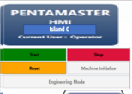
Tag Name | Data Type | Read/Write | Description | Check Condition
Read from HMI Config |  | Read | Machine Name
HMI_Tags.StartButton | BOOL | Read & Write | Start
HMI_Tags.StopButton | BOOL | Read & Write | Stop
HMI_Tags.ResetButton | BOOL | Read & Write | Reset
System1_MC_Tag.MachineInit | BOOL | Read & Write | Machine Initialise | ** only Enable if MC_System_Tags.MachineRunning = False
System1_MC_Tag.EngineeringMode | BOOL | Read & Write | Engineering Mode | only enable when logged in as admin and higher

Tag Name | Data Type | Read/Write | Description | Check Condition
Lot_Info.HMI_End_Lot_Bit | Bool | Write | End Lot | When press, prompt msg box ask user select cancel/End lot. If select end lot, turn on PLC bit
Lot_Info.HMI_Purge_Lot_Bit | Bool | Write | Purge Lot | When press, prompt msg box ask user select cancel/purge. If select purge, turn on PLC bit

Mute Button
Tag Name | Data Type | Read/Write | Description | Check Condition
HMI_Bypass_Buzzer | Bool | Read/Write

Lot Info
Tag Name | Data Type | Read/Write | Description | Check Condition
Lot_Info.HMI_LotID | String | Read
Lot_Info.HMI_OperatorID | String | Read
Lot_Infor.HMI_Lot_Quantity | dint | Read
Lot_Info.HMI_BatteryType | dint | Read |  |  | 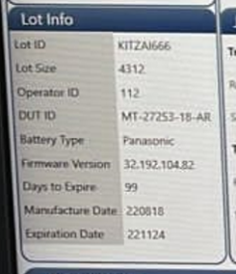

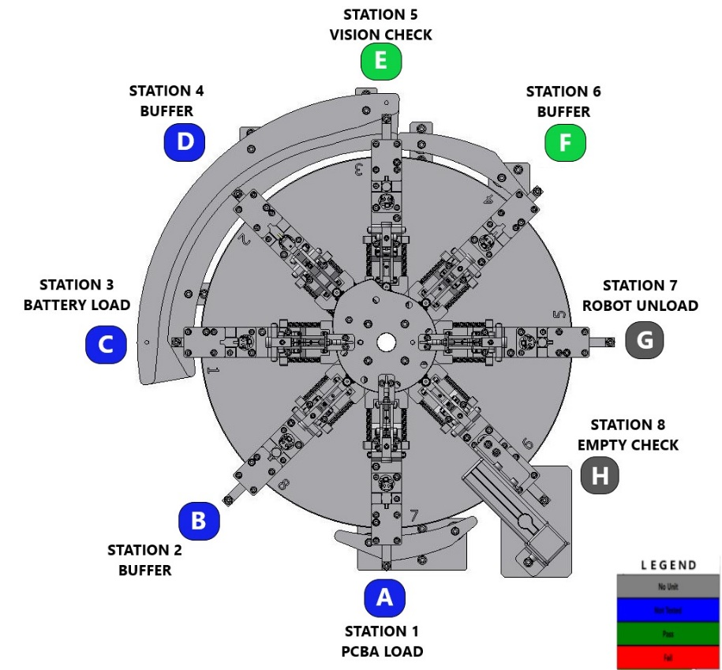
Station Info | ***Each Station Will Display Current Nest Code & Current Nest Status
Tag Name | Data Type | Read/Write | Description | Check Condition |  | Legend
Station_1.DUT_Status | Int | Read | Station 1 PCBA Load |  |  | DUT Status | Description | Colour
Station_2.DUT_Status | Int | Read | Station 2 Buffer |  |  | 0 | No Unit | Grey
Station_3.DUT_Status | Int | Read | Station 3 Battery Load |  |  | 1 | Not Tested Unit | Blue
Station_4.DUT_Status | Int | Read | Station 4 Buffer |  |  | 10 | Pass | Green
Station_5.DUT_Status | Int | Read | Station 5 Vision Check |  |  | 11 | Fail | Red
Station_6.DUT_Status | Int | Read | Station 6 Buffer
Station_7.DUT_Status | Int | Read | Station 7 Robot Unload
Station_8.DUT_Status | Int | Read | Station 8 Buffer

Tag Name | Data Type | Read/Write | Description | Check Condition |  | * Configurable in txt file
Station_1.Nest_Code | String | Read | Station 1 PCBA Load
Station_2.Nest_Code | String | Read | Station 2 Buffer
Station_3.Nest_Code | String | Read | Station 3 Battery Load
Station_4.Nest_Code | String | Read | Station 4 Buffer
Station_5.Nest_Code | String | Read | Station 5 Vision Check
Station_6.Nest_Code | String | Read | Station 6 Buffer
Station_7.Nest_Code | String | Read | Station 7 Robot Unload
Station_8.Nest_Code | String | Read | Station 8 Buffer

ByPass Status
Tag Name | Data Type | Read/Write | Description | Check Condition
HMI_Bypass_Buzzer | BOOL | Read | Bypass Buzzer | Green when true, Red when false
b_System3_HandshakeEnable | BOOL | Read | Bypass System 3 Handshake | Green when true, Red when false
HMI_Bypass_Vision_Result | BOOL | Read | Bypass Vision Result | Green when true, Red when false

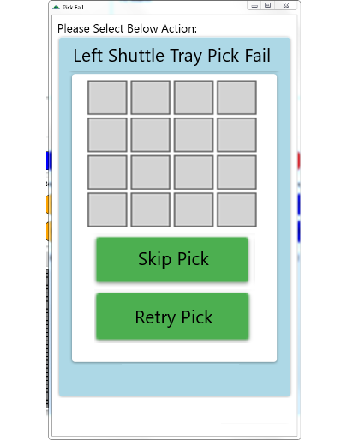
Pick Fail Prompt Window
Tag Name | Data Type | Read/Write | Description | Check Condition
b_PCBATray_Error | BOOL | Read | PCBA Tray Pick Fail | When PLC Tag is True,Prompt out the Window To Let Operator Select Action.When PLC Tag is False,Automatic Close the pick fail Window.
b_BatteryTray_Error | BOOL | Read | Battery Tray Pick Fail | When PLC Tag is True,Prompt out the Window To Let Operator Select Action.When PLC Tag is False,Automatic Close the pick fail Window
b_HMI_AckSkipPick | BOOL | Write | Skip Pick | Toggle Switch,After Operator Selected,Wait PLC Tag is True then turn green.
b_HMI_AckRetryPick | BOOL | Write | Retry Pick | Toggle Switch,After Operator Selected,Wait PLC Tag is True then turn green

Software Version Display
Tag Name | Data Type | Read/Write | Description | Check Condition
HMI_str20_PLC_Version | String_20 | Read | PLC Version
HMI_str20_HMI_Version | String_20 | Read | HMI Version
HMI_str20_Robot1_Version | String_20 | Read | PCBA Robot Version
HMI_str20_Robot2_Version | String_20 | Read | Battery Robot Version
HMI_str20_Robot3_Version | String_20 | Read | Unload Robot Version

Vision Info
Tag Name | Data Type | Read/Write | Description | Check Condition
VisionFail_Insertion.Fail_Info | STRING | Read | Vision Fail Info
VisionFail_Insertion.PCBA_NotFound | DINT | Read | Total PCBA Not Found
VisionFail_Insertion.Battery_NotFound | DINT | Read | Total Battery Not Found
VisionFail_Insertion.Battery_InsertFail | DINT | Read | Total Battery Insert Fail
VisionFail_Insertion.Total_Yield | REAL | Read | Total Insertion Yield(%)
VisionFail_BatteryTray.Fail_Info | STRING | Read | Battery Vision Fail Info
VisionFail_BatteryTray.Total_Present_Qty | DINT | Read | Total Battery Present:
VisionFail_BatteryTray.Total_Empty_Qty | DINT | Read | Total Battery Empty:
VisionFail_BatteryTray.Total_Undetected_Qty | DINT | Read | Total Battery Undetected:
VisionFail_BatteryTray.Total_Yield | REAL | Read | Total Battery Yield (%):

4.Shift OEE
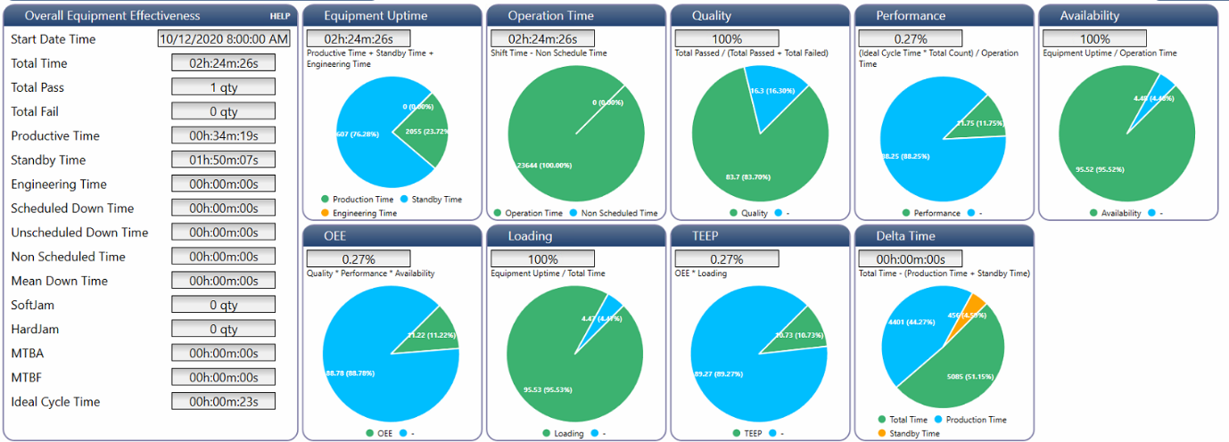

** All information shall be logged when OEE trigger reset

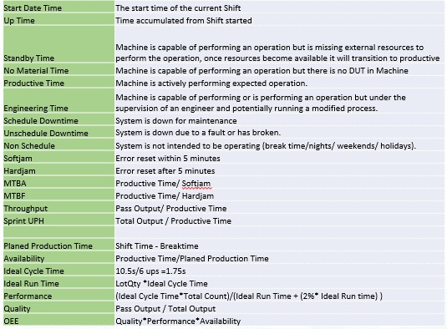
Tag Name | Data Type | Description | Need Record In Log File When Reset OEE
Shift_OEE_Tags.str_HMI_OEEStartDateTime | String | PLC Set OEE Start Date Time | Yes
Shift_OEE_Tags.dint_MachineUpTimeAccSec | Dint | PLC Prodive in Seconds Format, HMI divide into Hour, Min & Sec | Yes
Shift_OEE_Tags.dint_MachineStandbyTimeAccSec | Dint | PLC Prodive in Seconds Format, HMI divide into Hour, Min & Sec | Yes
Shift_OEE_Tags.dint_NoMaterialTimeAccSec | Dint | PLC Prodive in Seconds Format, HMI divide into Hour, Min & Sec | Yes
Shift_OEE_Tags.dint_MachineProductiveTimeAccSec | Dint | PLC Prodive in Seconds Format, HMI divide into Hour, Min & Sec | Yes
Shift_OEE_Tags.dint_MachineEngineeringTimeAccSec | Dint | PLC Prodive in Seconds Format, HMI divide into Hour, Min & Sec | Yes
Shift_OEE_Tags.dint_MachineScheduledDownTimeAccSec | Dint | PLC Prodive in Seconds Format, HMI divide into Hour, Min & Sec | Yes
Shift_OEE_Tags.dint_MachineUnscheduledDownTimeAccSec | Dint | PLC Prodive in Seconds Format, HMI divide into Hour, Min & Sec | Yes
Shift_OEE_Tags.dint_MachineNonScheduledTimeAccSec | Dint | PLC Prodive in Seconds Format, HMI divide into Hour, Min & Sec | Yes
Shift_OEE_Tags.dint_SoftJam | Dint | Machine soft jam duration | Yes
Shift_OEE_Tags.dint_HardJam | Dint | Machine hard jam duration | Yes
Shift_OEE_Tags.dint_MTBASec | Dint | PLC Prodive in Seconds Format, HMI divide into Hour, Min & Sec | Yes
Shift_OEE_Tags.dint_MTBFSec | Dint | PLC Prodive in Seconds Format, HMI divide into Hour, Min & Sec | Yes
Shift_OEE_Tags.dint_Throughput | Dint | PLC Prodive in Seconds Format, HMI divide into Hour, Min & Sec | Yes
Shift_OEE_Tags.dint_SprintUPH | Dint | Sprint Unit Per Hour | Yes
Shift_OEE_Tags.dint_PlannedProductiveTimeAccSec | Dint | PLC Prodive in Seconds Format, HMI divide into Hour, Min & Sec | Yes
Shift_OEE_Tags.dint_AvailabilityTimeAccSec | Dint | PLC Prodive in Seconds Format, HMI divide into Hour, Min & Sec | Yes
Shift_OEE_Tags.dint_IdealCycleTime | Dint | PLC Prodive in Seconds Format, HMI divide into Hour, Min & Sec | Yes
Shift_OEE_Tags.dint_IdealRunTime | Dint | PLC Prodive in Seconds Format, HMI divide into Hour, Min & Sec | Yes
Shift_OEE_Tags.dint_Performance | Dint |  | Yes
Shift_OEE_Tags.dint_Quality | Dint |  | Yes
Shift_OEE_Tags.dint_OEE | Dint |  | Yes

Shift_OEE_Tags.bool_SyncTime | Bool | HMI trigger on to sync PLC time with PC time
Shift_OEE_Tags.str_SyncDay | STRING | HMI write Day
Shift_OEE_Tags.str_SyncHour | STRING | HMI write Hour
Shift_OEE_Tags.str_SyncMin | STRING | HMI write Minute
Shift_OEE_Tags.str_SyncMonth | STRING | HMI write Month
Shift_OEE_Tags.str_SyncNanoSec | STRING | HMI write NanoSec
Shift_OEE_Tags.str_SyncSec | STRING | HMI write Second
Shift_OEE_Tags.str_SyncYear | STRING | HMI write Year

Shift_OEE_Tags.dint_Total_Pass | Dint | Total Pass | Yes
Shift_OEE_Tags.dint_Total_Fail | Dint | Total Fail | Yes
Shift_OEE_Tags.dint_Total_TotalProductiveUnit | Dint | Total Productive Unit | Yes
Shift_OEE_Tags.dint_Total_PartFail | Dint | Total Incoming Part Fail | Yes

5.Lot OEE
** All information shall be logged when OEE trigger reset

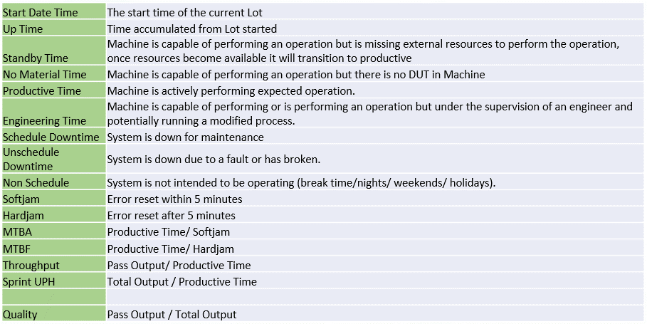
Tag Name | Data Type | Description | Need Record In Log File When Reset OEE
Lot_OEE_Tags.str_HMI_OEEStartDateTime | String | PLC Set OEE Start Date Time | Yes
Lot_OEE_Tags.dint_MachineUpTimeAccSec | Dint | PLC Prodive in Seconds Format, HMI divide into Hour, Min & Sec | Yes
Lot_OEE_Tags.dint_MachineStandbyTimeAccSec | Dint | PLC Prodive in Seconds Format, HMI divide into Hour, Min & Sec | Yes
Lot_OEE_Tags.dint_NoMaterialTimeAccSec | Dint | PLC Prodive in Seconds Format, HMI divide into Hour, Min & Sec | Yes
Lot_OEE_Tags.dint_MachineProductiveTimeAccSec | Dint | PLC Prodive in Seconds Format, HMI divide into Hour, Min & Sec | Yes
Lot_OEE_Tags.dint_MachineEngineeringTimeAccSec | Dint | PLC Prodive in Seconds Format, HMI divide into Hour, Min & Sec | Yes
Lot_OEE_Tags.dint_MachineScheduledDownTimeAccSec | Dint | PLC Prodive in Seconds Format, HMI divide into Hour, Min & Sec | Yes
Lot_OEE_Tags.dint_MachineUnscheduledDownTimeAccSec | Dint | PLC Prodive in Seconds Format, HMI divide into Hour, Min & Sec | Yes
Lot_OEE_Tags.dint_MachineNonScheduledTimeAccSec | Dint | PLC Prodive in Seconds Format, HMI divide into Hour, Min & Sec | Yes
Lot_OEE_Tags.dint_SoftJam | Dint | Machine soft jam duration | Yes
Lot_OEE_Tags.dint_HardJam | Dint | Machine hard jam duration | Yes
Lot_OEE_Tags.dint_MTBASec | Dint | PLC Prodive in Seconds Format, HMI divide into Hour, Min & Sec | Yes
Lot_OEE_Tags.dint_MTBFSec | Dint | PLC Prodive in Seconds Format, HMI divide into Hour, Min & Sec | Yes
Lot_OEE_Tags.dint_Throughput | Dint |  | Yes
Lot_OEE_Tags.dint_SprintUPH | Dint |  | Yes
Lot_OEE_Tags.dint_Quality | Dint |  | Yes

Lot_OEE_Tags.bool_SyncTime | Bool | HMI trigger on to sync PLC time with PC time
Lot_OEE_Tags.str_SyncDay | STRING | HMI write Day
Lot_OEE_Tags.str_SyncHour | STRING | HMI write Hour
Lot_OEE_Tags.str_SyncMin | STRING | HMI write Minute
Lot_OEE_Tags.str_SyncMonth | STRING | HMI write Month
Lot_OEE_Tags.str_SyncNanoSec | STRING | HMI write NanoSec
Lot_OEE_Tags.str_SyncSec | STRING | HMI write Second
Lot_OEE_Tags.str_SyncYear | STRING | HMI write Year

Lot_OEE_Tags.dint_Total_Pass | Dint | Total Pass | Yes
Lot_OEE_Tags.dint_Total_Fail | Dint | Total Fail | Yes
Lot_OEE_Tags.dint_TotalProductiveUnit | Dint | Total Productive Unit | Yes
Lot_OEE_Tags.dint_Total_PartFail | Dint | Total Incoming Part Fail | Yes
TurretNest_A.Socket_Yield | Real | Socket A Yield | Yes
TurretNest_B.Socket_Yield | Real | Socket B Yield | Yes
TurretNest_C.Socket_Yield | Real | Socket C Yield | Yes
TurretNest_D.Socket_Yield | Real | Socket D Yield | Yes
TurretNest_E.Socket_Yield | Real | Socket E Yield | Yes
TurretNest_F.Socket_Yield | Real | Socket F Yield | Yes
TurretNest_G.Socket_Yield | Real | Socket G Yield | Yes
TurretNest_H.Socket_Yield | Real | Socket H Yield | Yes

7.Motor Page General Layout
Engineering Mode Button Must ON to display below items:
Current Position

Home Spd1
Home Done
 |  | Read Only, indicate with different colour to indicate On or Off
Home Spd 2
HomeBusy
Start Home
 |  | Read Only
 |  | Press once ON, change colour to indicate turned ON.
 |  | When colour changed, user click, turn Off
Cancel Home
 |  | Press once ON, change colour to indicate turned ON.
 |  | When colour changed, user click, turn Off

Move Abs Position
Move Abs
ACC
Stop
 |  | Press once ON, change colour to indicate turned ON.
 |  | When colour changed, user click, turn Off
 |  | Press once ON, change colour to indicate turned ON. | Display Only When HomeDone ON
DCC
Move Busy
 |  | When colour changed, user click, turn Off
 |  | Read Only, indicate with different colour to indicate On or Off
Frequency
Reached
 |  | Read Only, indicate with different colour to indicate On or Off

Jog ACC
Jog Fwd
 |  | Press On, Release Off.
Jog DCC
Jog Bwd
 |  | Press On, Release Off.
Jog Spd

Pos 1
 | Read and Write
Pos 2
 | Read and Write
Pos 3
 | Read and Write
Save Changes
 | Save text box binded in blue colour above. Write to Config XML

Save To Csv
 | Record text box value binded in blue colour above to csv file/ duplicate config xml file to backup folder

1
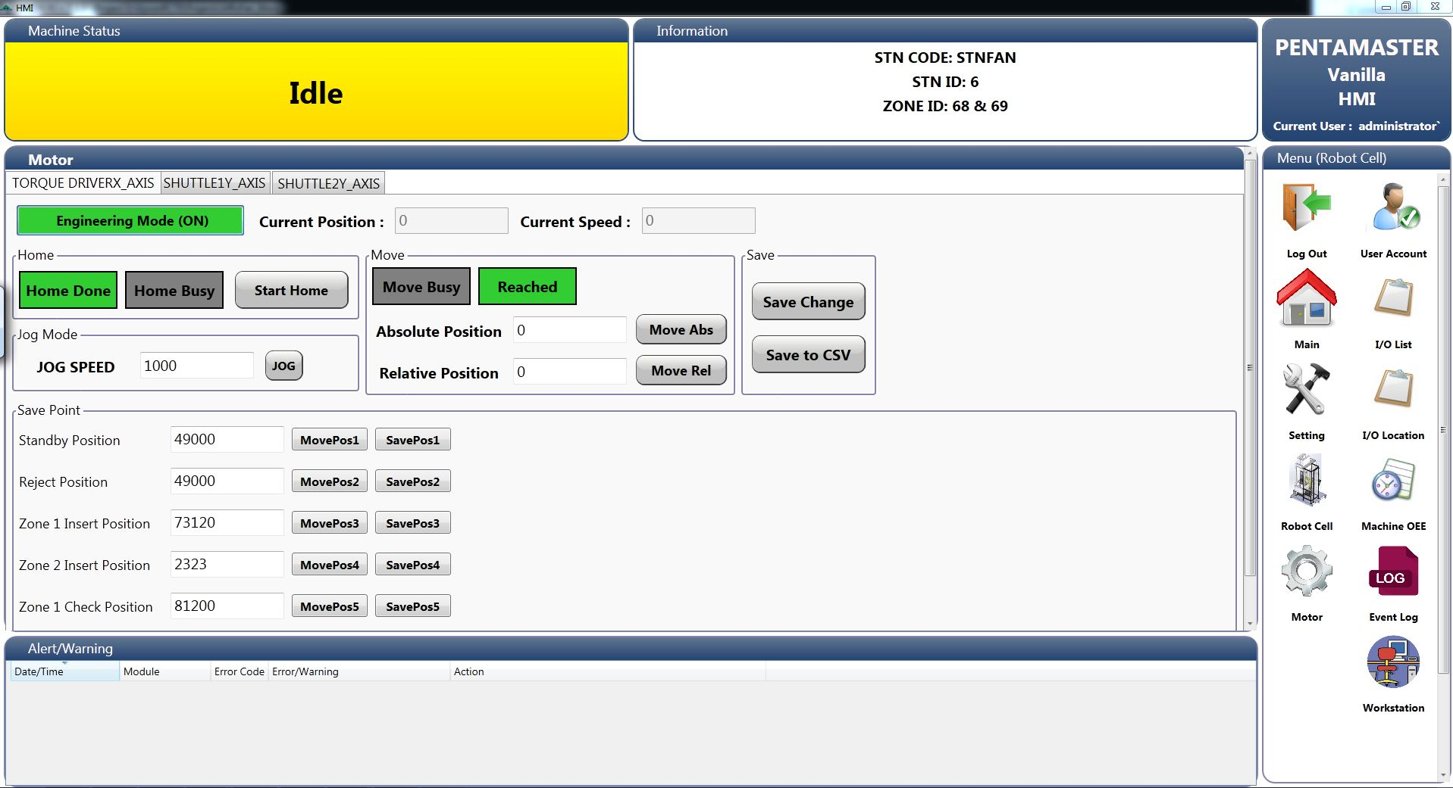
Engineering Mode (ON)
Current Position :
Current Speed :
Export Current Points :
Export

Home
2
Home Done
Start Home
4

Move
3
Jog Mode
1
Motor Status :
Move Busy
2
3
Jog Speed :
Jog (On)
Absolute Position :
Move Absolute
Note :
Press Stop button to Jog Forward
Press Reset button to Jog Backward
Relative Position :
Move Relative
4

5

Save Point
5
Robot Pick Position :
Move to Point
Save Entered Point
Save Current Point

Robot Place Position :
Move to Point
Save Entered Point
Save Current Point

Z1 Place Position :
Move to Point
Save Entered Point
Save Current Point

Z2 Place Position :
Move to Point
Save Entered Point
Save Current Point

 | Changes:
 | 1. Save point as file to move to top left corner and rename as Export Current Points
 | 2. Home Done and Home Busy labels to change to 1 label then change text and background color according to condition
 | 3. Move Busy and Reached labels to change to 1 label then change text and background color according to condition
 | 4. Jog Mode to re-layout and add description
 | 5. Rename buttons and add additional buttons for each points. Save Entered Point is to save point entered in the save point text box, Save Current Point is to save point display in the current position text box.

7.1Motor Page
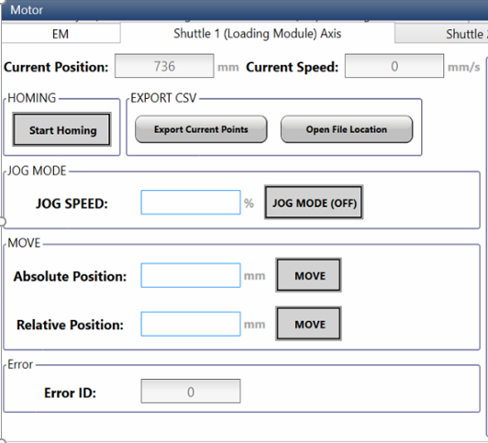
Axis 01 Left Shuttle
Axis_1_LeftShuttle.CurrentPos | REAL (Read)
Axis_1_LeftShuttle.CurrentVelocity | REAL (Read)
Axis_1_LeftShuttle.HomeReq | BOOL (Read+Write)
Axis_1_LeftShuttle.HomeDone | BOOL (Read)
Axis_1_LeftShuttle.MoveAbsolutePos | REAL (Read+Write)
Axis_1_LeftShuttle.MoveAbsolute | BOOL (Read+Write)
Axis_1_LeftShuttle.RelativePos | REAL (Read+Write)
Axis_1_LeftShuttle.MoveRelative | BOOL (Read+Write)
Axis_1_LeftShuttle.ManualJog | BOOL (Read+Write)
Axis_1_LeftShuttle.JogVelocity | REAL (Read+Write)
Axis_1_LeftShuttle.AxisErrorID | SINT (Read)
Axis 02 Right Shuttle
Axis_2_RightShuttle.CurrentPos | REAL (Read)
Axis_2_RightShuttle.CurrentVelocity | REAL (Read)
Axis_2_RightShuttle.HomeReq | BOOL (Read+Write)
Axis_2_RightShuttle.HomeDone | BOOL (Read)
Axis_2_RightShuttle.MoveAbsolutePos | REAL (Read+Write)
Axis_2_RightShuttle.MoveAbsolute | BOOL (Read+Write)
Axis_2_RightShuttle.RelativePos | REAL (Read+Write)
Axis_2_RightShuttle.MoveRelative | BOOL (Read+Write)
Axis_2_RightShuttle.ManualJog | BOOL (Read+Write)
Axis_2_RightShuttle.JogVelocity | REAL (Read+Write)
Axis_2_RightShuttle.AxisErrorID | SINT (Read)
Axis 03 Battery Rack Left Motor
Axis_3_BatteryRackLMotor.CurrentPos | REAL (Read)
Axis_3_BatteryRackLMotor.CurrentVelocity | REAL (Read)
Axis_3_BatteryRackLMotor.HomeReq | BOOL (Read+Write)
Axis_3_BatteryRackLMotor.HomeDone | BOOL (Read)
Axis_3_BatteryRackLMotor.MoveAbsolutePos | REAL (Read+Write)
Axis_3_BatteryRackLMotor.MoveAbsolute | BOOL (Read+Write)
Axis_3_BatteryRackLMotor.RelativePos | REAL (Read+Write)
Axis_3_BatteryRackLMotor.MoveRelative | BOOL (Read+Write)
Axis_3_BatteryRackLMotor.ManualJog | BOOL (Read+Write)
Axis_3_BatteryRackLMotor.JogVelocity | REAL (Read+Write)
Axis_3_BatteryRackLMotor.AxisErrorID | SINT (Read)

Axis 04 Battery Rack Right Motor
Axis_4_BatteryRackRMotor.CurrentPos | REAL (Read)
Axis_4_BatteryRackRMotor.CurrentVelocity | REAL (Read)
Axis_4_BatteryRackRMotor.HomeReq | BOOL (Read+Write)
Axis_4_BatteryRackRMotor.HomeDone | BOOL (Read)
Axis_4_BatteryRackRMotor.MoveAbsolutePos | REAL (Read+Write)
Axis_4_BatteryRackRMotor.MoveAbsolute | BOOL (Read+Write)
Axis_4_BatteryRackRMotor.RelativePos | REAL (Read+Write)
Axis_4_BatteryRackRMotor.MoveRelative | BOOL (Read+Write)
Axis_4_BatteryRackRMotor.ManualJog | BOOL (Read+Write)
Axis_4_BatteryRackRMotor.JogVelocity | REAL (Read+Write)
Axis_4_BatteryRackRMotor.AxisErrorID | SINT (Read)
b_HMI_EnableSlaveMode | BOOL (Read+Write) | Enable Sync Mode | Toggle Button
dint_PNU12601_SlaveMotor.0 | BOOL (Read) | Sync Status | Indicator (On-Green, Off-Red)
Axis 05 Battery Conveyor Motor
Axis_5_BatteryTrayConveyor.CurrentPos | REAL (Read)
Axis_5_BatteryTrayConveyor.CurrentVelocity | REAL (Read)
Axis_5_BatteryTrayConveyor.HomeReq | BOOL (Read+Write)
Axis_5_BatteryTrayConveyor.HomeDone | BOOL (Read)
Axis_5_BatteryTrayConveyor.MoveAbsolutePos | REAL (Read+Write)
Axis_5_BatteryTrayConveyor.MoveAbsolute | BOOL (Read+Write)
Axis_5_BatteryTrayConveyor.RelativePos | REAL (Read+Write)
Axis_5_BatteryTrayConveyor.MoveRelative | BOOL (Read+Write)
Axis_5_BatteryTrayConveyor.ManualJog | BOOL (Read+Write)
Axis_5_BatteryTrayConveyor.JogVelocity | REAL (Read+Write)
Axis_5_BatteryTrayConveyor.AxisErrorID | SINT (Read)

11.Station Cycle Mode
Module | Standard Feature | Tag Name | Data Type | Type | No | Description | Tag Name | Data Type | Type | Conditions
PCBA Robot | Jog Mode Switch | HMI_StationJogMode_PCBARobot | BOOL | Toggle Sw | 1 | Pick From Tray | HMI_PCBA_PickFromTray | BOOL | Button | Read and Write Button – Press to start test sequence. Wait PLC to False, when True grey out all buttons
 | Station Cycle Mode Switch | HMI_StationCycleMode_PCBARobot | BOOL | Toggle Sw | 2 | Place to Turret | HMI_PCBA_PlaceToTurret | BOOL | Button
 | Station Init Status | System1_MC_Tag.MachineInitDone | BOOL | Indicator | 3 | Row No | HMI_PCBA_RowNo | INT | Key In Num
 | Station Start Init Button | System1_MC_Tag.MachineInit | BOOL | Button | 4 | Column No | HMI_PCBA_ColumnNo | INT | Key In Num

 | Station Cycle Mode Grey Out when 1. Log in below Engineer access level 2. When New Lot Created

Design | 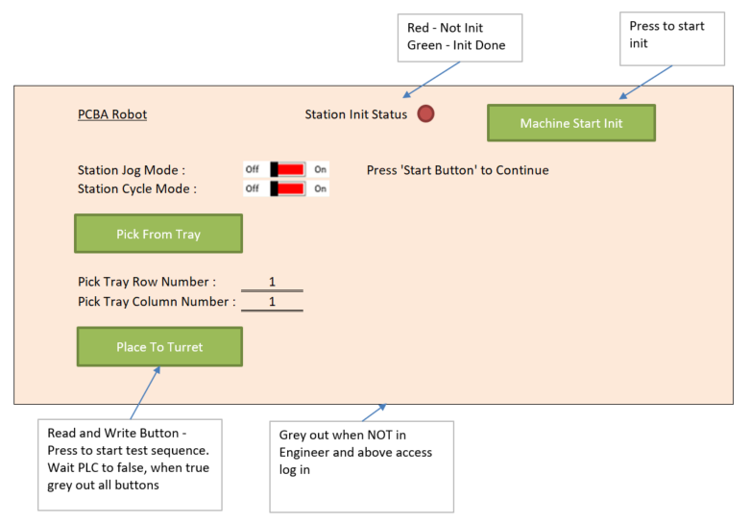

Module | Standard Feature | Tag Name | Data Type | Type | No | Description | Tag Name | Data Type | Type | Conditions
Battery Robot | Jog Mode Switch | HMI_StationJogMode_BatteryRobot | BOOL | Toggle Sw | 1 | Pick From Tray | HMI_Battery_PickFromTray | BOOL | Button | Read and Write Button – Press to start test sequence. Wait PLC to False, when True grey out all buttons
 | Station Cycle Mode Switch | HMI_StationCycleMode_BatteryRobot | BOOL | Toggle Sw | 2 | Place to Turret | HMI_Battery_PlaceToTurret | BOOL | Button
 | Station Init Status | System1_MC_Tag.MachineInitDone | BOOL | Indicator | 3 | Row No | HMI_Battery_RowNo | INT | Key In Num
 | Station Start Init Button | System1_MC_Tag.MachineInit | BOOL | Button | 4 | Column No | HMI_Battery_ColumnNo | INT | Key In Num
 |  |  |  |  | 5 | Battery Type | HMI_Battery_Type | Dint | Drop list

 | Station Cycle Mode Grey Out when 1. Log in below Engineer access level 2. When New Lot Created

Design | 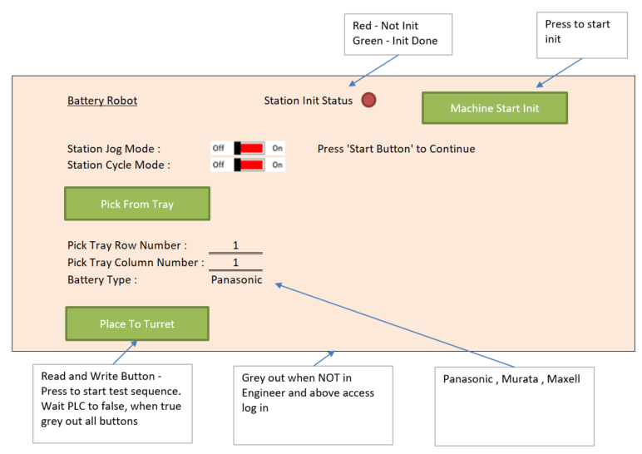

Module | Standard Feature | Tag Name | Data Type | Type | No | Description | Tag Name | Data Type | Type | Conditions
Unload Robot | Jog Mode Switch | HMI_StationJogMode_UnloadRobot | BOOL | Toggle Sw | 1 | Pick From Tray | HMI_Unload_PickFromTurret | BOOL | Button | Read and Write Button – Press to start test sequence. Wait PLC to False, when True grey out all buttons
 | Station Cycle Mode Switch | HMI_StationCycleMode_UnloadRobot | BOOL | Toggle Sw | 2 | Place to Turret | HMI_Unload_PlaceToLeftShuttle | BOOL | Button
 | Station Init Status | System1_MC_Tag.MachineInitDone | BOOL | Indicator |  |  | HMI_Unload_PlaceToRightShuttle | BOOL | Button
 | Station Start Init Button | System1_MC_Tag.MachineInit | BOOL | Button | 3 | Row No | HMI_Unload_RowNo | INT | Key In Num
 |  |  |  |  | 4 | Column No | HMI_Unload_ColumnNo | INT | Key In Num

 | Station Cycle Mode Grey Out when 1. Log in below Engineer access level 2. When New Lot Created

Design | 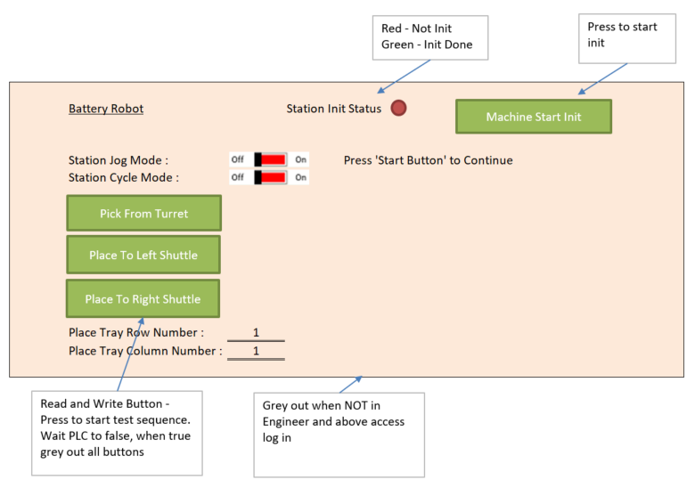

Module | Standard Feature | Tag Name | Data Type | Type | No | Description | Tag Name | Data Type | Type | Conditions
PCBA Rack | Jog Mode Switch | HMI_StationJogMode_PCBARack | BOOL | Toggle Sw
 | Station Cycle Mode Switch | HMI_StationCycleMode_PCBARack | BOOL | Toggle Sw
 | Station Init Status | System1_MC_Tag.MachineInitDone | BOOL | Indicator
 | Station Start Init Button | System1_MC_Tag.MachineInit | BOOL | Button

 | Station Cycle Mode Grey Out when 1. Log in below Engineer access level 2. When New Lot Created

Design

Module | Standard Feature | Tag Name | Data Type | Type | No | Description | Tag Name | Data Type | Type | Conditions
PCBA Rack | Jog Mode Switch | HMI_StationJogMode_BatteryRack | BOOL | Toggle Sw
 | Station Cycle Mode Switch | HMI_StationCycleMode_BatteryRack | BOOL | Toggle Sw
 | Station Init Status | System1_MC_Tag.MachineInitDone | BOOL | Indicator
 | Station Start Init Button | System1_MC_Tag.MachineInit | BOOL | Button

 | Station Cycle Mode Grey Out when 1. Log in below Engineer access level 2. When New Lot Created

Design

Module | Standard Feature | Tag Name | Data Type | Type | No | Description | Tag Name | Data Type | Type | Conditions
Rotary Table | Station Cycle Mode Switch | HMI_StationCycleMode_Rotary | BOOL | Toggle Sw | 1 | Turret Index | HMI_Turret_Index | BOOL | Button

 | Station Cycle Mode Grey Out when 1. Log in below Engineer access level 2. When New Lot Created

Design

13. Log File
